IO Assignment
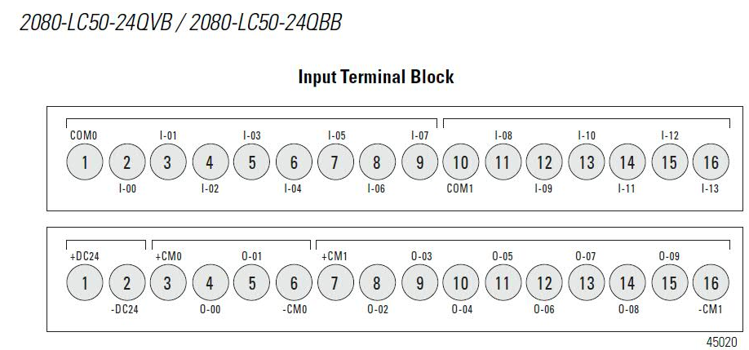
 | Cmt | I/O Assignment | Remarks | Catalog Number
INPUT | Encoder1A | _IO_EM_DI_00 | 5V ONLY
 | Encoder1B | _IO_EM_DI_01
 | Encoder2A | _IO_EM_DI_02
 | Encoder2B | _IO_EM_DI_03
 |  | _IO_EM_DI_04
 |  | _IO_EM_DI_05
 |  | _IO_EM_DI_06
 |  | _IO_EM_DI_07
 |  | _IO_EM_DI_08
 | FSS | _IO_EM_DI_09 | 1-180mm | 42JT-B2LAT2-P4
 | USS | _IO_EM_DI_10 |  | Home Made
 | DSS | _IO_EM_DI_11 |  | Home Made
 | LSS | Analog | 80-300mm | 45bpd-8LTB2-D5
 |  | _IO_EM_DI_12
 | RSS | Analog | 80-300mm | 45bpd-8LTB2-D5
 |  | _IO_EM_DI_13
 |  | _IO_EM_DI_14
 |  | _IO_EM_DI_15
 |  | _IO_EM_DI_16

Output | PWMA | _IO_EM_DO_00
 | PWMB | _IO_EM_DO_01
 | STBY 1 | _IO_EM_DO_02
 | Reserved for Direction | _IO_EM_DO_03
 |  | _IO_EM_DO_04
 | PWMA_FWD | _IO_EM_DO_05
 | PWMA_RVS | _IO_EM_DO_06
 | PWMB_FWD | _IO_EM_DO_07
 | PWMB_RVS | _IO_EM_DO_08
 | STBY 2 | _IO_EM_DO_09

Motion | Motor L | PWMA
 | Motor R | PWMB
 | Motor A | PWMB

Protocol
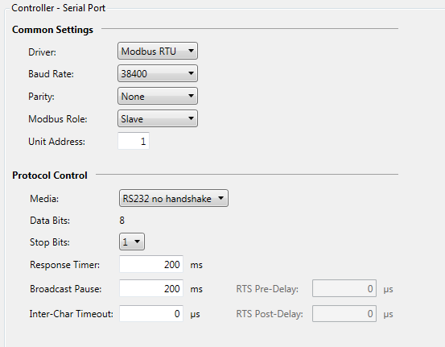

 | FWD | Count CLOCKWISE
 | Left | Count ClOCKWISE

 |  |  |  |  |  |  |  |  |  |  |  |  |  |  |  |  | Decimal
400001 | 15 | 14 | 13 | 12 | 11 | 10 | 9 | 8 | 7 | 6 | 5 | 4 | 3 | 2 | 1 | 0
 | CMD No.
 | 1 | JOG |  | Feedback From PLC: 00: Initial from Phone command 01: Busy 10: Error 11: Done |  | 0 | N.A |  |  |  |  |  |  |  |  |  | 8192
 | 2 | Move |  |  |  | F-0/B-1 | Distance in mm(max 512)
 | 3 | Turn |  |  |  | L-0/R-1 | Degree in mm(max 512)
 | 4 | Arm Down |  |  |  | NA | N.A |  |  |  |  |  |  |  |  |  | 32768
 | 5 | Stop |  |  |  | NA | N.A |  |  |  |  |  |  |  |  |  | 40960
 | 6 | Arm Up

Initial Value | 0 | 0 | 0 | 0 | 0 | 0 | 0 | 0 | 0 | 0 | 0 | 0 | 0 | 0 | 0 | 0

 | 1. When PLC fetch the new command, PLC wil write the Feedback to 01 |  |  |  |  |  |  |  |  |  |  |  |  |  |  |  |  | 512
 | 2. When PLC finished the command , PLC will update the feedback to 11

40002 | Left Sensor Analog value
40003 | Right Sensor Analog Value
40004 |  |  |  |  |  |  |  |  |  |  |  | Up SS | Down SS | Right SS | Left SS | Front SS

Motion Settings
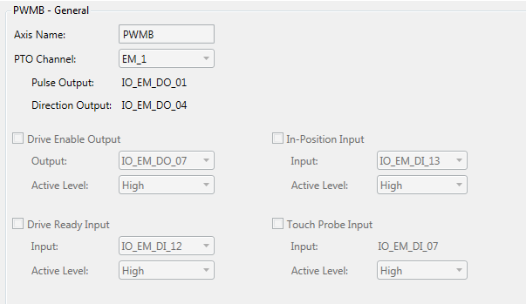
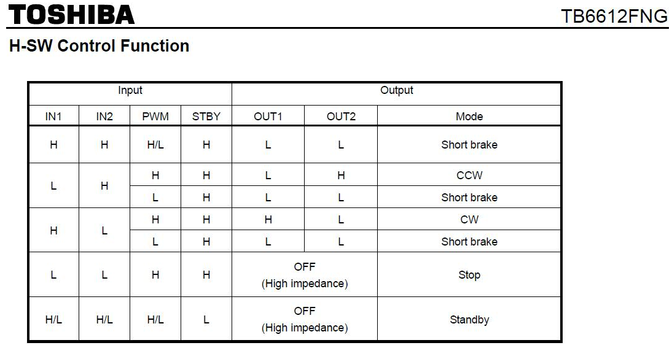
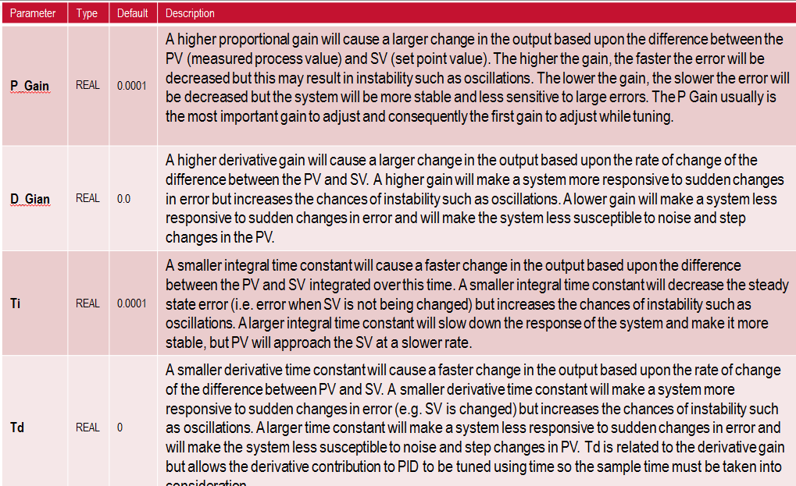
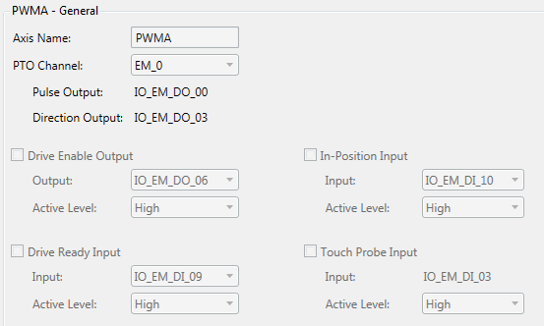
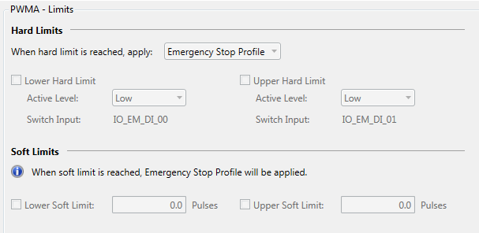

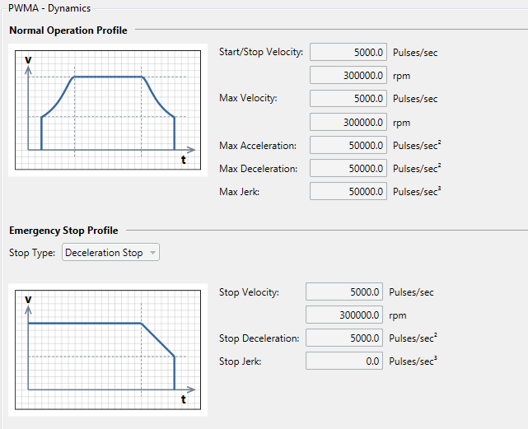

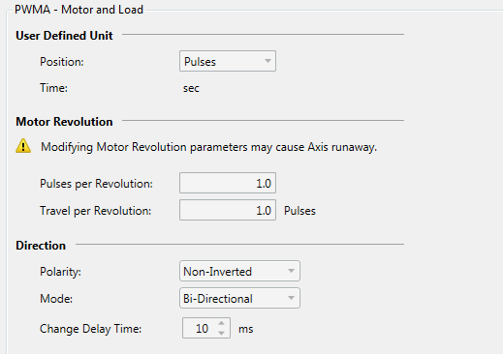

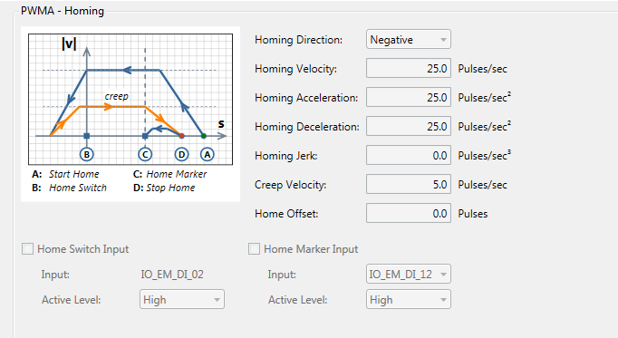

PWMB

